Cover Sheet
 |  |  | Southern Adish Gas Condensate Refinery Project |  |  |  |  |  |  | 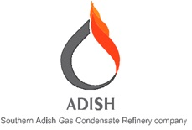
 |  |  | BOQ FOR INSULATION ITEMS - OVERALL

 |  |  | Project | Phase | Unit | Disc. | Type | Seq. No. | Rev.
Class: 1 |  |  | SACR | DE | GEN | PI | BOM | 5702 | 03 | PAGE 1 OF 3

BOQ FOR INSULATION ITEMS - OVERALL

03 | 26/Oct/2022 | IFA |  |  |  | O.P |  | S.A |  | M.M
02 | 19/Jun/2022 | IFA |  |  |  | O.P |  | S.A |  | M.M
01 | 14/Mar/2022 | IFA |  |  |  | M.M |  | S.A |  | M.M
00 | 03/Mar/2022 | IFA |  |  |  | M.M |  | S.A |  | M.M
REV. | DATE | Purpose Of Issue |  |  |  | PRE'D |  | CHK'D |  | APP'D | AUT'D

