3
A4 | Ship and manifold details

Guidance notes |  |  |  | Legend
The vendor will use the data in this table to determine the extremes of the working envelope of the loading arm and the arm dimensions and weight. • Working envelope extremes are generally determined by the smallest ship when fully loaded (manifold at the lowest point above the water level) and the largest ship when empty or ballasted (manifold at the highest point above the water level). • As a minimum, provide details of the smallest ship and the largest ship, although it is recommended to provide the details of the two smallest and two largest ships. • Include any ships with high railings or non-standard manifold locations, as they may also affect the working envelope. • Insert more columns for details of additional ships that need to be able to use the marine loading arm. • The water level is defined in table A3: Environmental data. The vendor will use the data from tables A3 and A4 to determine the envelopes. • Provide a sketch of the distances between manifold centres, in case they are not the same. • The letters ‘a’, ‘b’, etc. refer to the letters in figure A4.1.

 |  |  |  |  | Mandatory input - free text/number cell | Yellow cells must be completed. Cells with a red border have a drop-down list of options. Cells with a blue border are free text/number cells, i.e. any text or number can be input

 |  |  |  |  | Mandatory input- drop-down list

 |  |  |  |  | Optional input - free text/number cell | Grey cells are optional, but adding as much information as possible is recommended. Cells with a red border have a drop-down list of options. Cells with a blue border are free text/number cells, i.e. any text or number can be input

 |  |  |  |  | Optional input - drop-down list

 |  |  |  |  | Already filled-in cell | Cells turn white when they are filled in

 |  |  |  |  | Blank cells | Do not fill in blue cells

d
b1
c
a
Ship type or name (from the smallest to the largest) |  |  |  |  |  |  | GUIDANCE | Figure A4.1: Ship and manifold dimensions
Ship summer deadweight |  |  | t |  |  |  | Provide either the deadweight or the size of the ship.
Gas carrier size (cargo capacity) |  |  | m³
a | Height of ship’s deck above water level (freeboard or draught) | Minimum (fully loaded) | m
 |  | Maximum (empty or ballasted) | m
b | Does the ship have a rail? |  | y |  |  |  | The arm may have to be able to reach over the railing.
 | b1 - Height of ship’s rail above the deck |  | m
 | b2 - Distance of ship´s rail from ship´s side |  | m
 | Will the rail be removed during loading? |  |  |  |  |  | If yes, the arm will not necessarily be designed to reach over the railing.
c | Height of manifold flange centre above water level | Minimum (fully loaded) | m |  |  |  | The water level is defined in table A3: Environmental data. The vendor will use the data from tables A3 and A4 to determine the envelope.
b2
 |  | Maximum (empty or ballasted) | m
 | Number of product manifolds |  |  |  |  |  | Provide the total number of product manifolds the arm has to connect to per ship type. Indicate whether a sketch has been provided in the additional documents section below. Include in the sketch details of any piggyback vapour return lines (specified in table B) or connections to the vapour manifold flange.
d | Distance of manifold from ship’s side (setback) |  | m
e | Distance between manifold flange centres | Minimum | m |  |  |  | If the distance between different manifold flange centres is not the same, provide a sketch of the manifold layout including distances. Indicate that a sketch is provided in the additional documents section below.
 |  | Maximum | m
Manifold details | Manifold diameter (nominal) |  | mm |  |  |  | The unit can be changed to inches ("); the default option is mm.
e
 | Manifold flange rating | Class |  |  |  |  | E.g. ASME, DIN.
 |  | Value |  |  |  |  | Ship manifolds are generally 150 lbs.

Additional documents | Provided?
Sketch of the manifold and the distances between ship manifold centres

4
A5 | Ship motions

Guidance notes
Ship motions help determine the design of the working envelope of the loading arm and the arm dimensions and weight. • Only fill in this table after completing table A4 as ship motions have to be provided for all design ships identified in table A4. These ships are copied automatically into this table, so all required information will be provided. If you wish to add ships, please add them in table A4 as well. • Define the maximum ship motions under which loading operations will still have to take place. Align the maximum ship motions with the terminal´s operating philosophy, which will depend on the wave, current and wind environment and the location of the berth (protected or unprotected). • For offshore or unprotected locations, consider using dynamic mooring studies to define the maximum ship motions under which cargo transfers can still take place. • Provide a maximum drift speed value per ship. Determine the drift speed based on the environmental conditions, mooring layout and ship characteristics. 0.10 to 0.15m/s is often used. The drift speed influences the alarm settings and design of the ERS (if applicable). If the drift speed is not provided and alarms are specified, provide the alarm distance or distances in table B. • Specify the same surge, sway, heave, roll, pitch and yaw distances for different ships, if required. See figure A2 for the definitions. o Surge and sway may occur simultaneously. o Roll, pitch and yaw are optional input parameters as they do not normally have a significant effect on the loading arm design. Provide them if significant motions are expected. If this data is not provided, the vendor will include some allowance for these motions in their loading arm design.

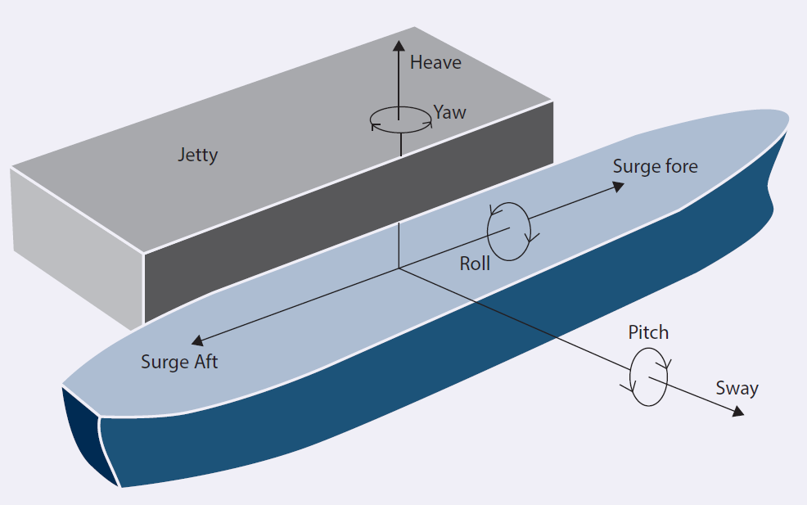
Figure A5.1: Ship movement
Ship type or name (from the smallest to the largest)
Ship summer deadweight |  | t
Gas carrier size (cargo capacity) |  | m3
Motions (at manifold)
Surge | Fore | m
 | Aft | m
Sway | Outward from berthing line (sway or drift) with an uncompressed fender | + m
 | Inward from berthing line with a compressed fender | - m
Drift speed, maximum |  | m/s
Heave, maximum |  | + m
 |  | - m
Roll, maximum |  | + (deg)
 |  | - (deg)
Pitch, maximum |  | + (deg)
 |  | - (deg)
Yaw, maximum |  | + (deg)
 |  | - (deg)

5
A6 | Jetty design

Guidance notes |  |  |  |  | Legend
This table will ensure the marine loading arm will fit in its surroundings. • For an existing jetty, the input data may be fixed. For a new jetty, however, the location of the arm may be optimised to obtain an optimised loading arm design. • Obstacles on the jetty can interfere with the counterweight movement at the back of the MLA. Provide a cross-section and plan view of the jetty with the dimensions and locations of obstacles, so the vendor can design a loading arm that will fit in the available space. Moving an obstacle elsewhere can greatly improve the loading arm design, e.g. reducing weight and costs. Collaboration between owner and vendor may be required. • The reference dimension letters ‘a’, ‘b’, etc. refer to the letters in figure A6.1.

 |  |  |  |  |  | Mandatory input - free text/number cell | Yellow cells must be completed. Cells with a red border have a drop-down list of options. Cells with a blue border are free text/number cells, i.e. any text or number can be input

 |  |  |  |  |  | Mandatory input- drop-down list

 |  |  |  |  |  | Optional input - free text/number cell | Grey cells are optional, but adding as much information as possible is recommended. Cells with a red border have a drop-down list of options. Cells with a blue border are free text/number cells, i.e. any text or number can be input

 |  |  |  |  |  | Optional input - drop-down list

 |  |  |  |  |  | Already filled-in cell | Cells turn white when they are filled in
REFERENCE DIMENSION | DESCRIPTION | UNITS | INPUT | GUIDANCE |  | Blank cells | Do not fill in blue cells
 | Chart datum | m | 0 | These fields are automatically filled in with the information provided in table A3.
- | Underside of the baseplate above chart datum | m |  | The underside of the baseplate should be provided with reference to chart datum, as defined in table A3. | Figure A6.1: Jetty design dimensions
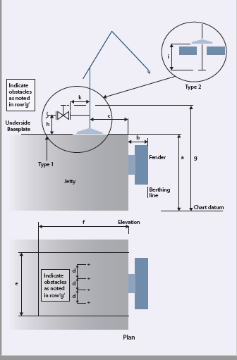
a | Jetty deck level above chart datum | m | 5 | The jetty deck may be at the same level as the underside of the baseplate. If it is not, provide a jetty cross-section drawing.
b | Jetty face to berthing line - minimum (compressed fender) | m | 0.8
 | Jetty face to berthing line - maximum (uncompressed fender) | m | 1.6
c | Jetty face to riser centre | m
d | Distance between riser centres | m
e | Available jetty length | m | 273.4
f | Available jetty width | m | 15
g | Are obstacles present around the location of the MLA? |  | NO | For example pipe racks, emergency ladders, gangways, piping, valves, firefighting towers, buildings, safety showers, etc. Movable obstacles (e.g. cherry pickers for maintenance) may also restrict the loading arm design if they are planned to be used near the new loading arm when in use.
 | Height above chart datum of obstacles within area ‘e’ by ‘f’ | m |  | Provide a drawing of the jetty if obstacles are present.
h | Riser flange above underside base plate (type 1) | m |  | Select the preferred flange configuration. Provide either the data for h and k (type 1) or for i (type 2).
i | Riser flange below underside base plate (type 2) | m
k | Riser centre to riser flange face (type 1) | m
 | Is there a minimum height of the counterweight above the jetty deck? | m | NO
 | Specify a minimum height |  |  | For a safe design, specify a minimum height.

Additional documents | Provided?
Jetty plan view drawing | YES
Jetty cross-section drawing | YES

